Submission form ALS Brisbane
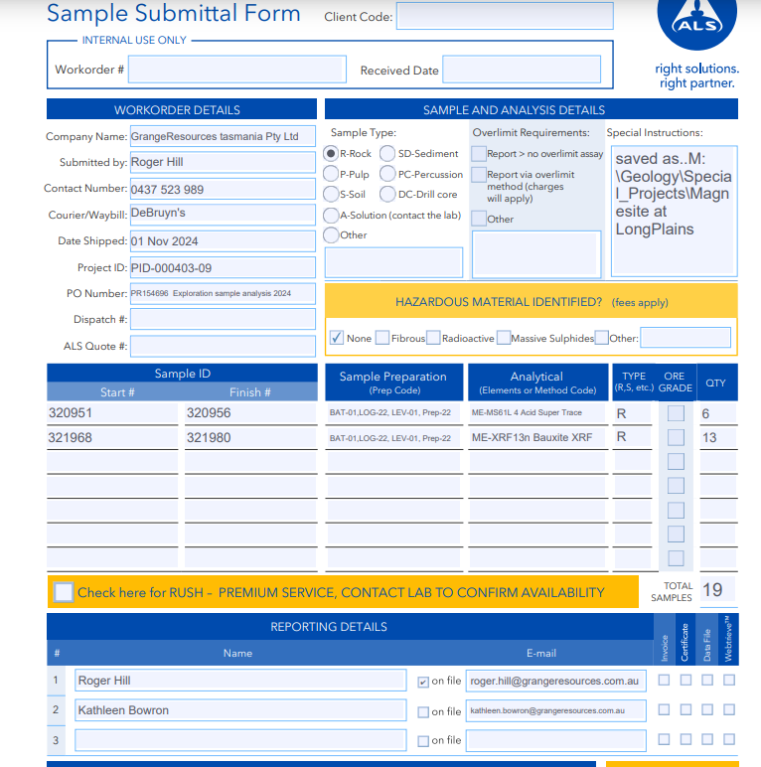

WORK ORDER DETAILS |  |  |  |  |  | Sample Type
Company Name | Grange Resources tasmania Pty Ltd
Submitted by | Roger Hill |  |  |  |  | rock chip
Contact # | 0437 523 989
Courier /Waybill
Date Shipped | Nov 1 2024
Project ID | PID-000403_09 (Exploration OPEX)
PO Number
Dispatch #
ALS Quote #

SAMPLE ID |  |  |  |  | SAMPLE REPARATION sample prep code |  | ANALYTICAL Elements or Method code | TYPE (R/S) | QTY | Project name
Start # |  | Finish #
320951 |  | 320956 |  |  | BAT-01,LOG-22, LEV-01, Prep-22 |  | ME-MS61L 4 Acid Super Trace | R | 6 | Pipeline traverse -lithogeochem
321968 |  | 321980 |  |  | BAT-01,LOG-22, LEV-01, Prep-23 |  | ME-XRF13n (normalised) Bauxite XRF | R | 13 | LP Magnesite evaluation

 |  | Price ea | Qty | extended
Cost estimate | BAT-01 | 45.45 | 1 | 45.45
 | LOG-22 | 1.85 | 19 | 35.15
 | LEV-01 | 1.25 | 19 | 23.75
 | Prep-22 | 14.15 | 19 | 268.85
 | ME-MS61L | 70.05 | 6 | 420.3
 | ME-XRF13n | 60.25 | 13 | 783.25
 | contingency |  | 27% | 423.25
 |  |  | Total | 2000

